Reference Raw Image (4)
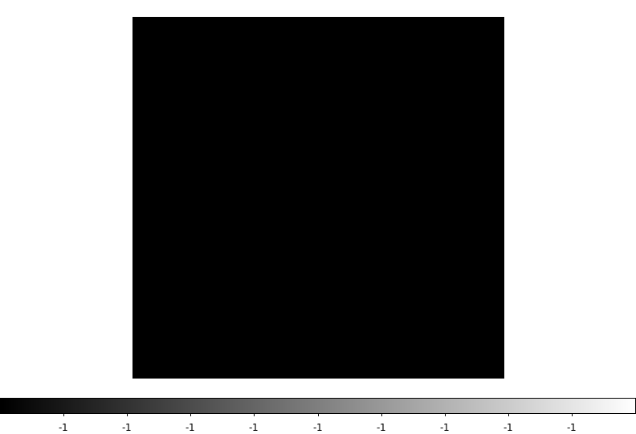
REFERENCE IMAGE | IMAGE TAKEN WITH THIS UUT

Assembly Photos (5)
